S Channel - 11-02-2020 12
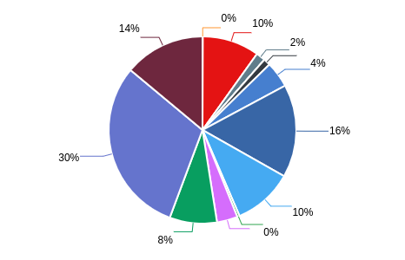
Summary Performance Operation - All Tenant
Export Time | 11-02-2020 12:13:11 | Filter Start | 2020-01-01
Export By | Debi-dev | Filter END | 2020-02-11
NO | CHANNEL_NAME | MESSAGE IN | MESSAGE OUT | UNIQUE CUSTOMER | TOTAL SESSION
1 | ChatBot | 84923 | 126.675 | 0 | 54
2 | Email | 54328 | 89.231 | 78821 | 78129
3 | Facebook | 21004 | 40.918 | 42230 | 18881
4 | Instagram | 20279 | 32.434 | 34588 | 11860
5 | Line | 2995 | 3.747 | 16650 | 15304
6 | Live Chat | 12732 | 14.537 | 49801 | 56128
7 | Messenger | 81576 | 146.174 | 120912 | 114816
8 | Telegram | 6316 | 10.67 | 40688 | 42880
9 | Twitter | 65209 | 93.946 | 109354 | 55994
10 | Twitter DM | 120236 | 276.443 | 179400 | 103317
11 | Voice | 394 | 541 | 541 | 541
12 | Whatsapp | 56650 | 74.194 | 8268 | 24105

